Solar Tool
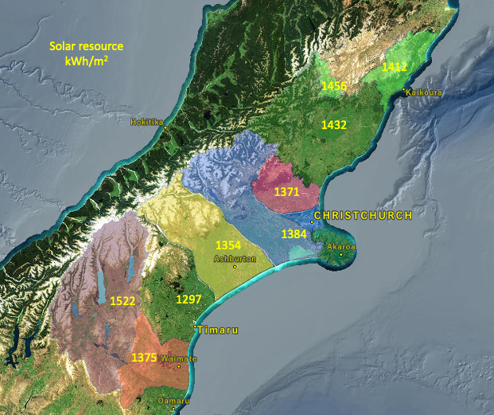
Agrivoltaic assessment tool for farmers
Could agrivoltaics work on my property?

 | Do you have an interest in knowing if your property is suitable for solar?
 | Agrivoltaics is the integration of solar and agricultural activities. It offers potential benefits for livestock and could increase your EBIT/ha.
 | To maximise your return on investment there are a number of factors that make solar integration easier and more feasible. This tool asks a few questions that can be used to assess if you should take the next step into investigating agrivoltaics for your property.

 | How to use this tool: Select or type your answer to each question. It will give you an indication of how that effects your agrivoltaic suitability. At the end, the tool collates your answers and makes a suggestion for next steps.

About your farm

Q. 1 | What district is your farm located in? |  | Select your District

Q. 2 | What is your farming system? |  | Select one

Now think of an area that would be suitable on your property.

Q. 3 | How many hectares is the proposed agrivoltaic area? (Please type your area in ha, do not include units, e.g. type 7 not 7ha) |  | 0

Q. 4 | Select what best describes the slope of your intended site |  | Select one

Q. 5 | How far is your selected site from the distribution line? |  | Select one

Q. 6 | Is your proposed site in view of roads or dwellings? |  | Select one

Q. 7 | Can the proposed agrivoltaic area be taken out of your pasture renewal plan with minimal impact? |  | Select one

Q. 8 | Are you aware of any solar projects happening on your power distribution line? |  | Select one

What are the next steps?
Based on the information you have provided above, the following suggestion is made:

 |  | Disclaimer: While all necessary care has been taken to ensure the accuracy of this solar tool's contents, interested parties cannot hold the authors responsible for any damage or loss resulting from reliance on these projections. Contents are intended as a guide only and full discussion should be conducted with stakeholders’ relevant professionals.

This work was funded by the New Zealand Ministry for Business, Innovation and Employment’s Our Land and Water (Toitū te Whenua, Toiora te Wai) National Science Challenge, contract C10X1901, as part of the Rural Professionals Fund 2022-23 Fund.

